Warehouse Layout
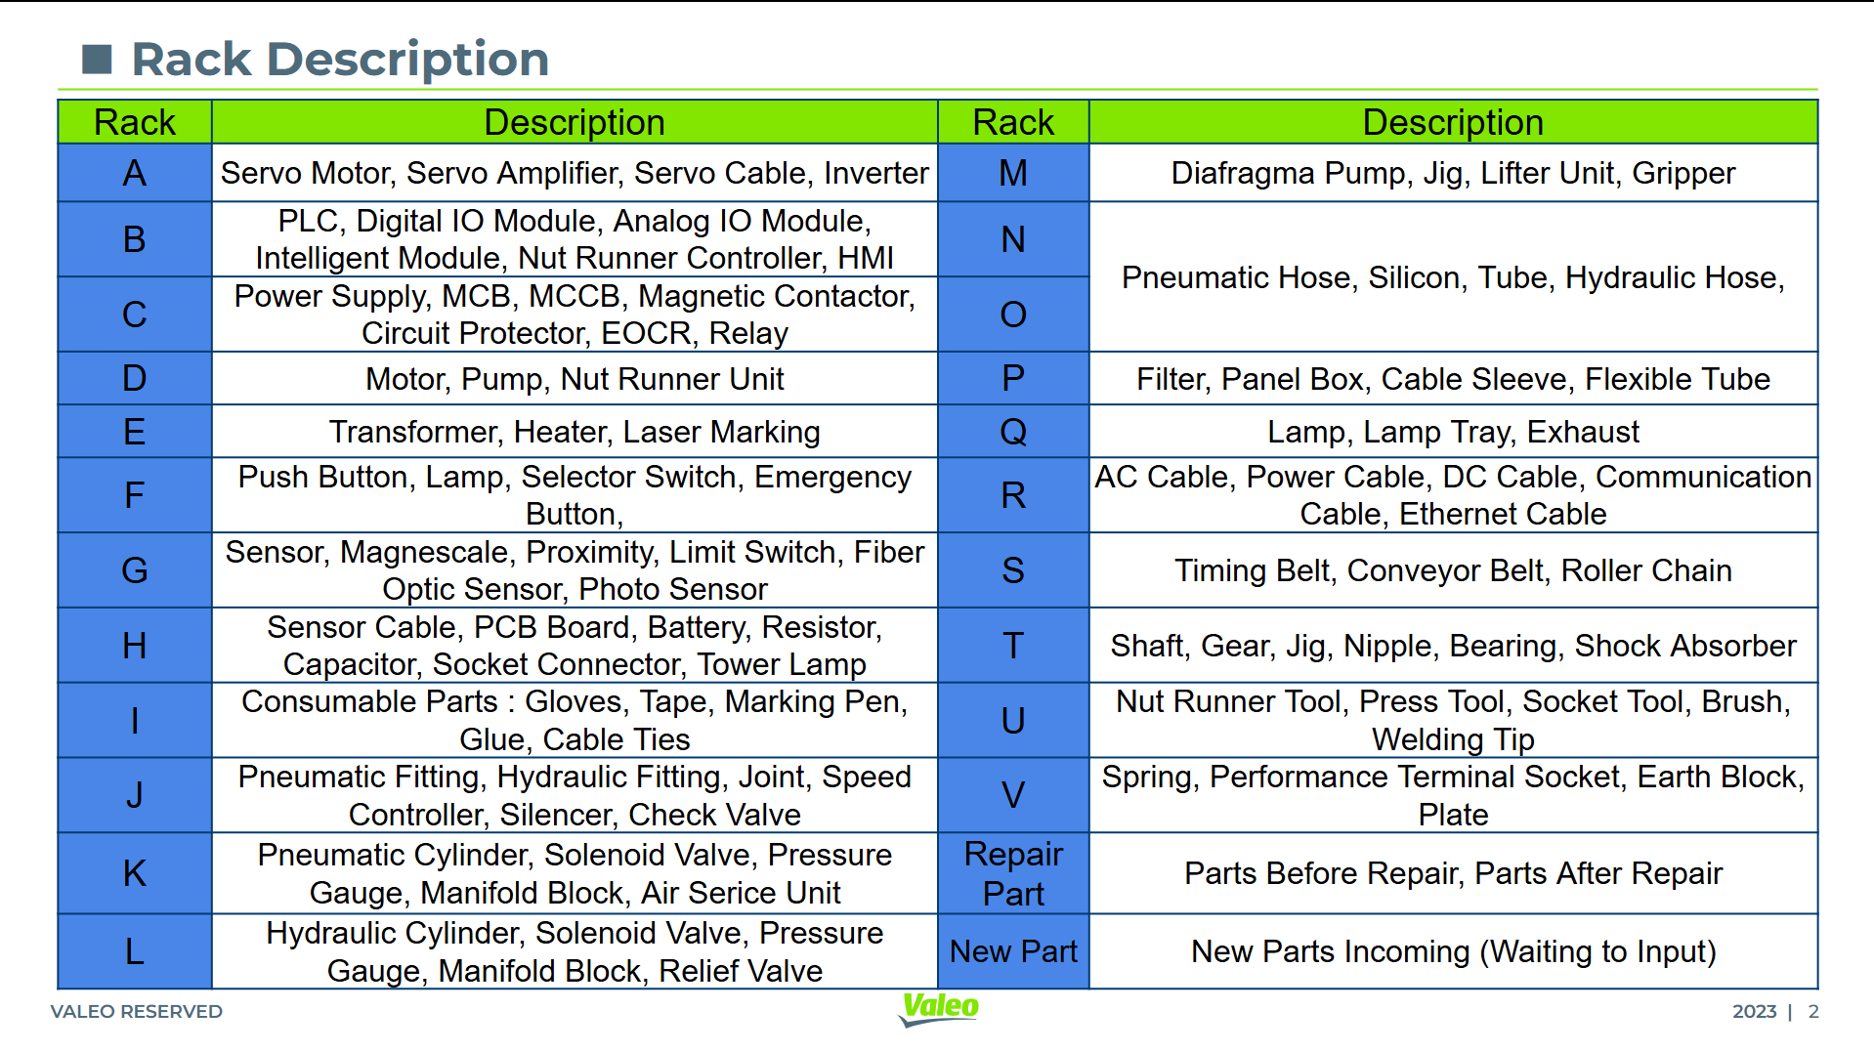
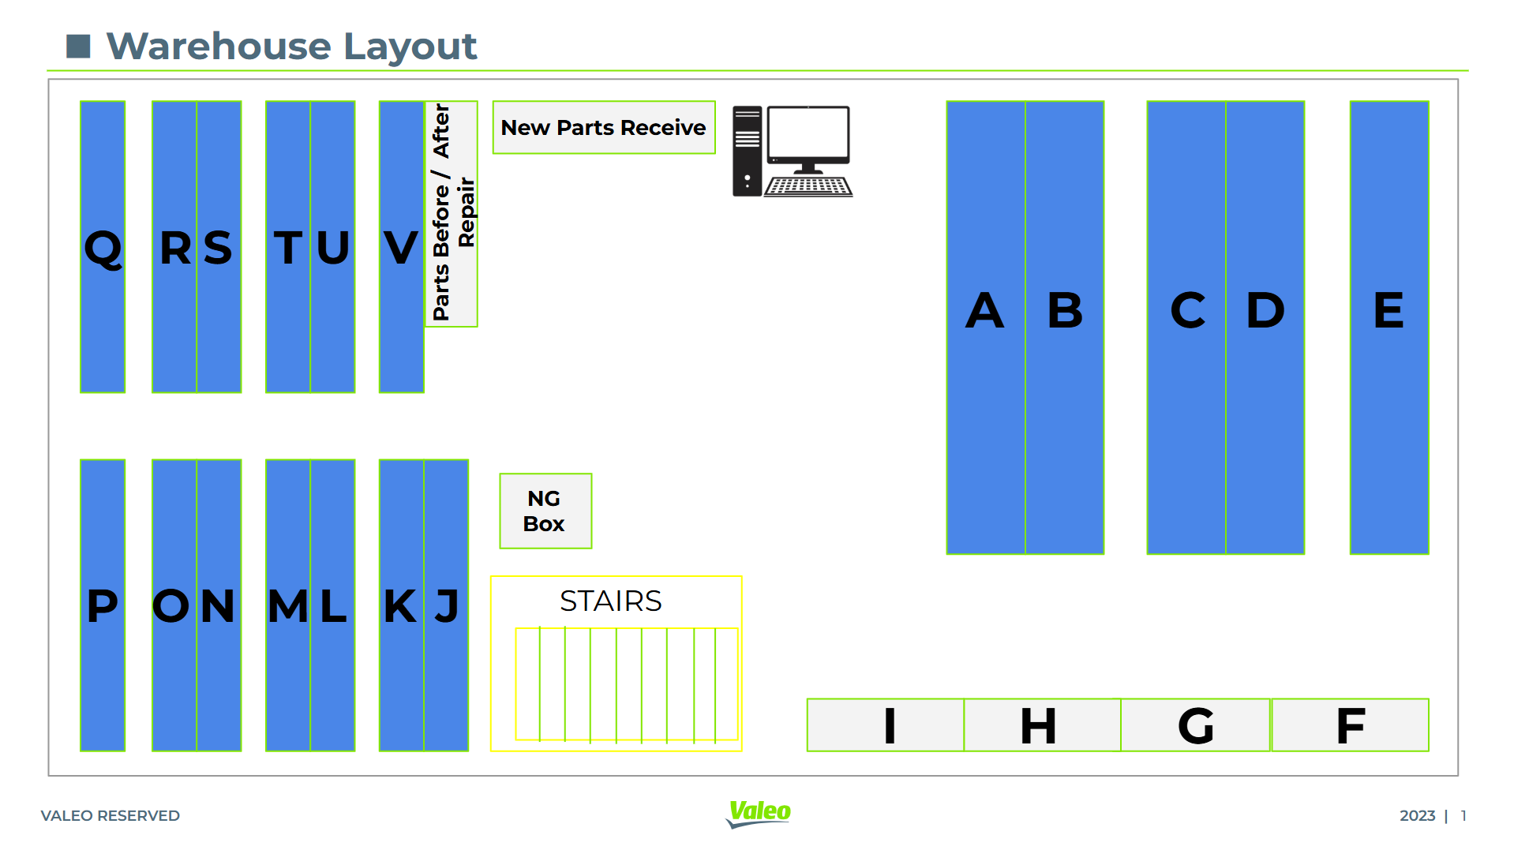

Material Number Creation

1. Material Group

Matl Group | Material Group Desc. | Description 2 for the material group
T456 | WL10 | OTHER GENERIC SPARE PARTS
T458 | WL15 | LIQUID - SPARE PARTS
T459 | WL11 | PNEUMATIC - SPARE PARTS
T461 | WL12 | MECHANICAL - SPARE PARTS
T464 | WL13 | ELECTRICAL - SPARE PARTS
T505 | SB20 | SDS SPARE PARTS
T511 | SC40 | SA SPARE PARTS
T520 | SD80 | LS SPARE PARTS
T530 | SF40 | WIPING SPARE PARTS
T537 | SG60 | BRAKING SPARE PARTS
T547 | SH80 | SECURITY SPARE PARTS
T556 | SJ70 | A/C SPARE PARTS
T566 | SK80 | EC SPARE PARTS
T570 | SL20 | PE SPARE PARTS
T593 | WL14 | ELECTRONIC - DEVICES SPARE PARTS
W121 | Maintenance Parts | Maintenance Parts

